Stocks & Sales Flow Chart
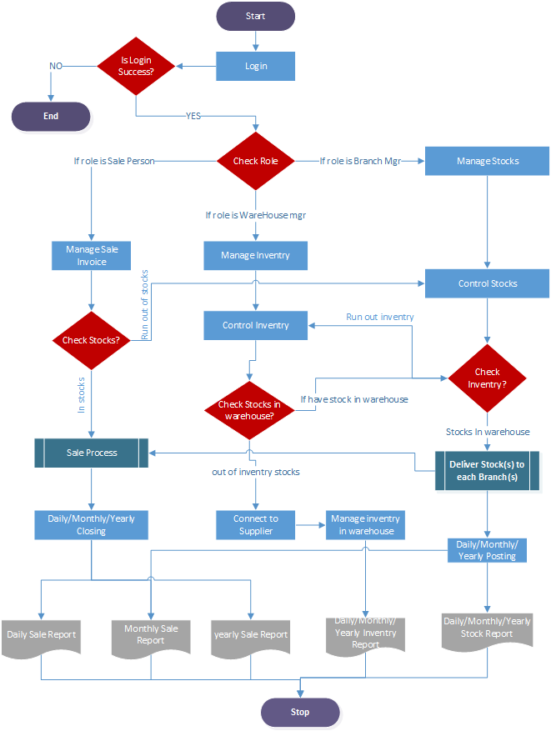

Figure 1) Flow chart of Online RMS(Warehouse/Branch Mgr/Sale Person process functions)

Inventory Process Flow Chart
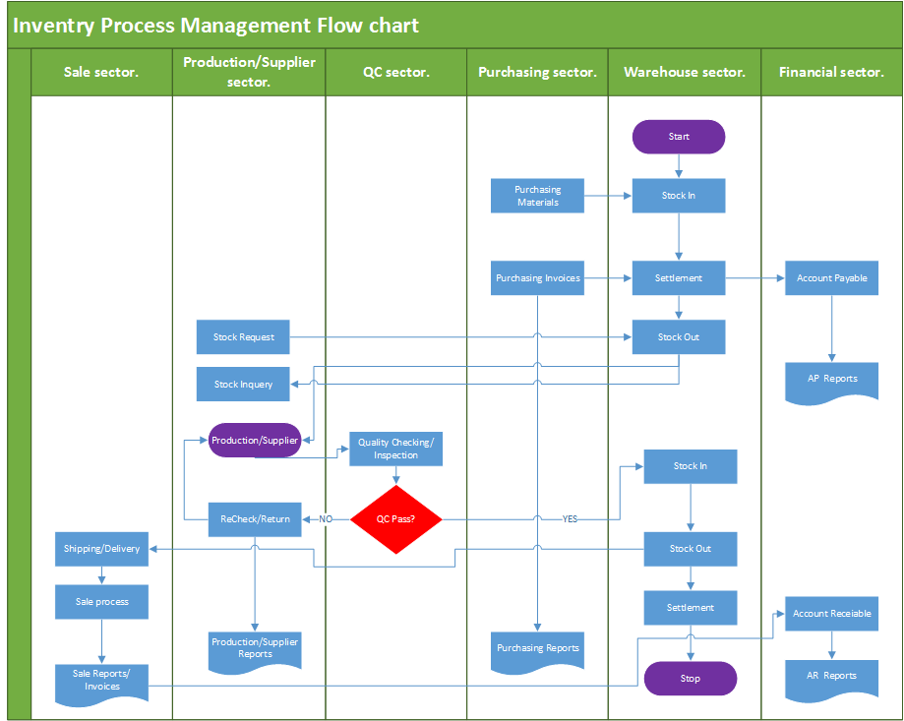

Figure 2)Cross Functional Flow chart of Inventry process Management

Architecture Design
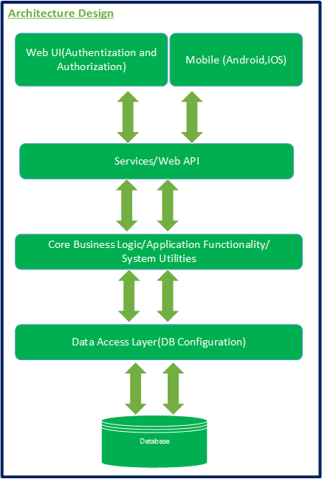

Figure 3)Architecture Design of Online RMS(High-Level View)

Database Cluster or Mirror
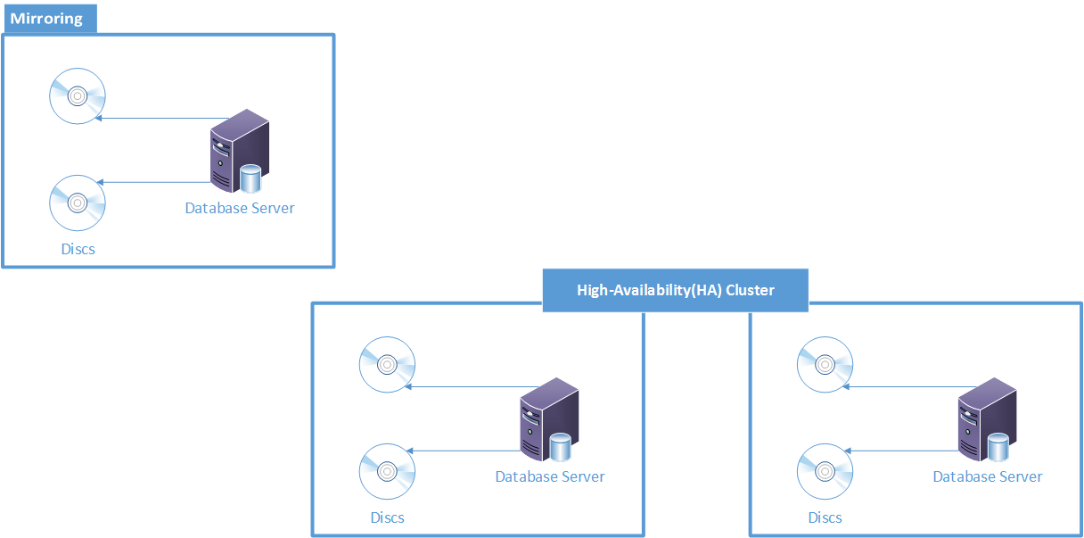

Figure 5)Database Cluster or Mirroring(High-Level View)

